Sheet1
Test Case ID |  | TC_Practical-001 | Test Case Desc | Test the functionality of Window Notepad Application
Created By |  | Trisharna Ingale | Reviewed By |  |  | Version
Tester's Name |  |  | Date Tested |  |  | Test Case Status (Passed/Failed/NE)

# | Prerequisites: |  |  | # | Test Data
1 | Windows OS |  |  | 1
2 | Notepad application |  |  | 2
3 |  |  |  | 3
4 |  |  |  | 4

Test Scenario | Test entire

Step # | Step Details |  | Expected Results | Actual Results |  |  | Pass / Fail / Not executed / Suspended
1 | Open Notepad Application |  | Make sure that you see this Notepad application.
2 | Click on the File Menu |  | 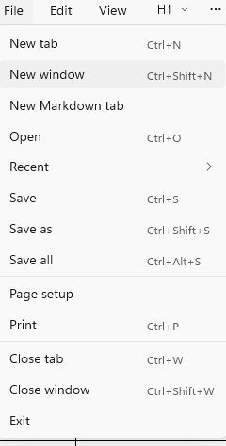 Make sure that you see the file menu option on the screen
3 | Click New Tab for New Page |  | Make sure that you see the New Page on the screen.
4 | i.Type "Computer" ii.Delete it. Iii.Click on Edit menu iv.Click on"Undo". |  | Verify that the deleted word Computer reappears on the screen.
5 | Type something and click on the "view", then you see the "Zoom" , click on the zoom after that you see the "zoom in", then you can increase the size of the text. |  | Verify that the word size is Increase
6 | Click on the "Formatting" and create a Table |  | Verify that the Table is create.
7 | Type something and then click on the "formatting" then make the text "Bold" |  | Verify that the Text is Bold
8 | Type something and then click on the "Formatting" then make the Text "Italic" style. |  | Verify that the Text is Italic
9 | click on the "setting" and then click on the "App Theme" then click on the "Dark". |  | Verify that the "App Theme" is Dark.
10 | Click on the Text then Right on the Mouse then you see the "spelling" click on it to Correct any error in the Text |  | Verify that the Spelling mistake is corrected.
11 | Right click on the Mouse then see the "Select all" click on it. |  | Verify that all the text is selected.
12 | Click on File ->Close Tab Menu |  | Verify that the Tab is closed.
13 | Cick on File ->Click on Recent |  | Verify that the Recent file are displayed.
14 | Click on File ->Click on Print |  | Verify that the file should be printed.
15 | click on Edit ->Click on Time/Date |  | Verify that the Time/Date are displayed.
16 | Click on the Writing Tools ->then click on Change Tone ->Click on the Formal Tone |  | Verify that the Tone is changed into Formal Tone.
17 | Click on the Writing Tools ->then click on Change Tone ->Click on the Casual Tone |  | Verfy that the Tone is changed into Casual Tone.
18 | Click on the Writing Tools ->then click on the Change Tone ->Click on Inspirational Tone |  | Verify that the Tone is changed into the Inspirational Tone.
19 | Click on the Writing Tools ->Click on Change Tone -> click on Humor Tone |  | Verify that the Tone is changed into the Humor Tone.
20 | Close the Notepad Application |  | Verify that the Notepad Application should close successfully.

